Explanation
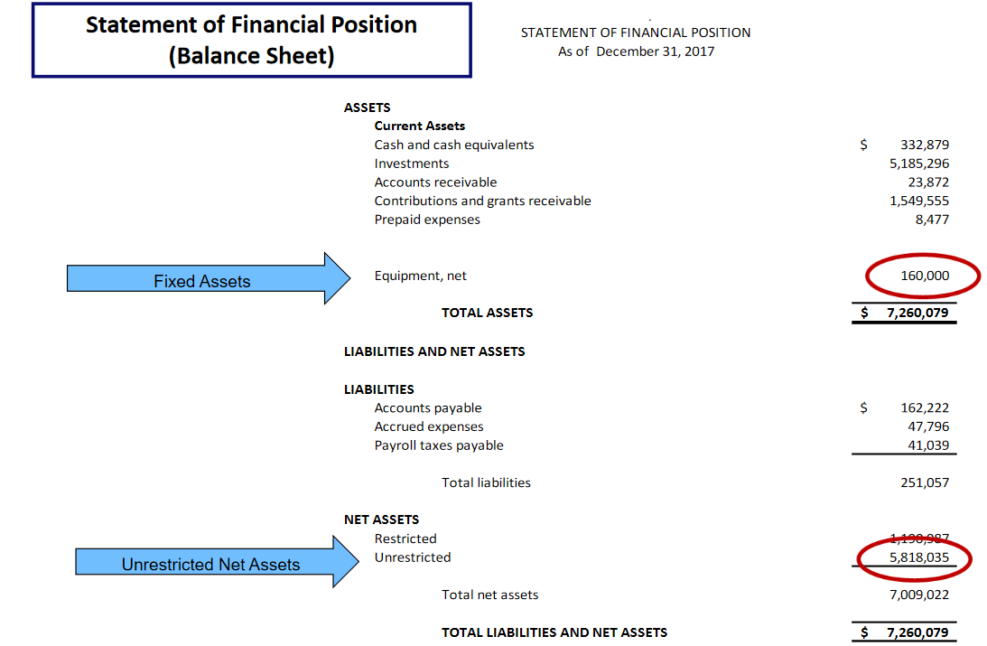
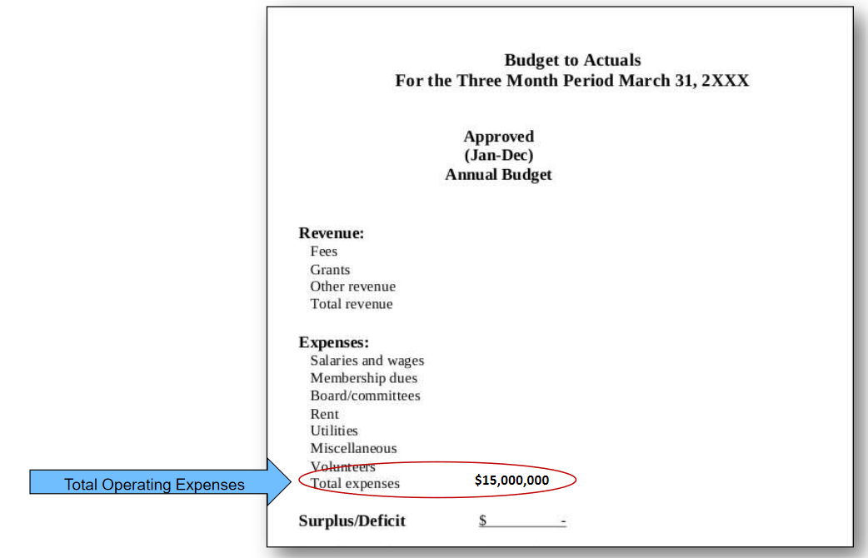
Step 1: LUNA CALCULATION | Step 2: MONTHS OF LIQUIDITY CALCULATION

LUNA = (total amount of unrestricted net assets- fixed assets) + liabilities related to fixed assets* | Monthly cash need= | LUNA
 |  | annual expenses**/12
*This information is found in your balance sheet
 | **This information is found in your Board approved budget

